Form (2)
PANASONIC SYSTEM NETWORKS VIETNAM CO., LTD
REGISTER FORM FOR FY2025 PROMOTION PROJECT
Name: | Nguyen Nhu Minh | Nominated position: | Supervisor | Section/ Department: ISD | Theme: | Optimize the OQC management process by software and standardize electronic stamps.
I. CURRENT ISSUES |  |  |  | Solution 2:
Background:
Fllow Chart OQC Inspection


 |  |  |  | ô Schedule & Target
Issue 1:

Issue 2:

II. PLAN & TARGET OF THE PROJECT |  |  |  | ô Next schedule
Solution 1:

 |  |  |  | III. CONFIRMATION OF SUPERIOR

Form
PANASONIC SYSTEM NETWORKS VIETNAM CO., LTD
REGISTER FORM FOR FY2025 PROMOTION PROJECT
Name: | Nguyen Nhu Minh | Nominated position: | Supervisor | Section/ Department: ISD | Theme: | Optimize the OQC management process by software and standardize electronic stamps.
Fllow Chart OQC Inspection
I. CURRENT ISSUES |  |  |  | II. PLAN & TARGET OF THE PROJECT
Weight check 2st
Second check
Step 14
Judgment OK
Find Pallet ID & FG
Matching Pallet ID & Outer carton
Record Pallet ID & S/N carton
Find all lots same model, date, line
Chop stamp all lots
OQC
OK
Day- Month- Year
Report daily
Step1
Step2
Step3
Step4
Step5
Step6
Step7
Step8
Fist check
Pick up sample
Weight check 1st
Return sample
OQC inspection
Check S/N inner product
Step 12
Step 10
Step 9
Step 13
Step 11
Background: Overview of the OQC inspection process. |  |  |  | DESCRIBE PROCEDURE FOR IMPLEMENTATION OF ACTION PLAN
 |  |  |  | ô Issue Job And Schedule To Complete

+ All procedures are manual by Excel, loss time to traceability, and skip processes.
+ The results of the inspection process are manually stamped. Loss of time to stamp.
+ OQC inspection result no link FA & SCM system, easy mistake.
Question: How don't leak out the error to the market?
Issue 1: OQC procedure 100% manual control.
+ Lost time manual job and take time to traceability if have a market claim.
+ No system, each step is independent, with no link to each other. |  |  |  | ô Next schedule
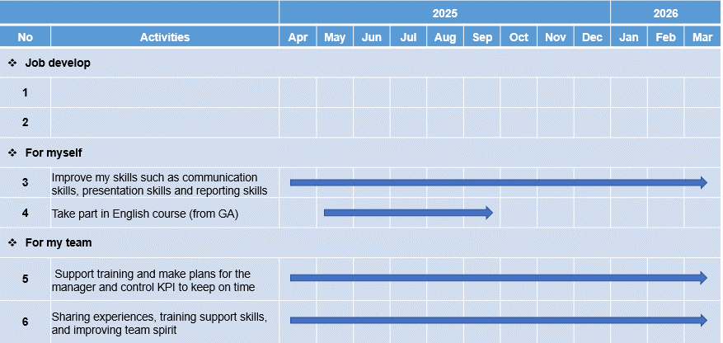
+ Risk quality: Skip process & missjudgment, human mistake.
Auto link weight check FA
Step1
Step2
Step3
Step4
Step5
Step6
Step7
Step8
Database server OQC
Auto link weight check FA
Solution 1: Improve manual job by Optimizing OQC inspection procedure by software.

control quantity pick-up

OQC inspection procedure auto link FA system, reduce manual job Prevent wrong packing leakage out to market, easy to traceability

Issue 2: Loss of time to find finished goods and chop stamp.
+ Take time to match the ID Pallet and Outer Carton.
+ Loss time to find all the same lot to chop stamp.
+ Record ID Pallet & S/N carton box by Excel file.
FA
OQC
SCM
Database server OQC
Link
Link
Visualize OQC inspection result
Solution 2: Standardize electronic stamps for OQC.
 |  |  |  | III. CONFIRMATION OF SUPERIOR

Replace physical stamps with electronic stamps system Auto link OQC inspection result to FA & SCM.

